Screenshots of license and sour
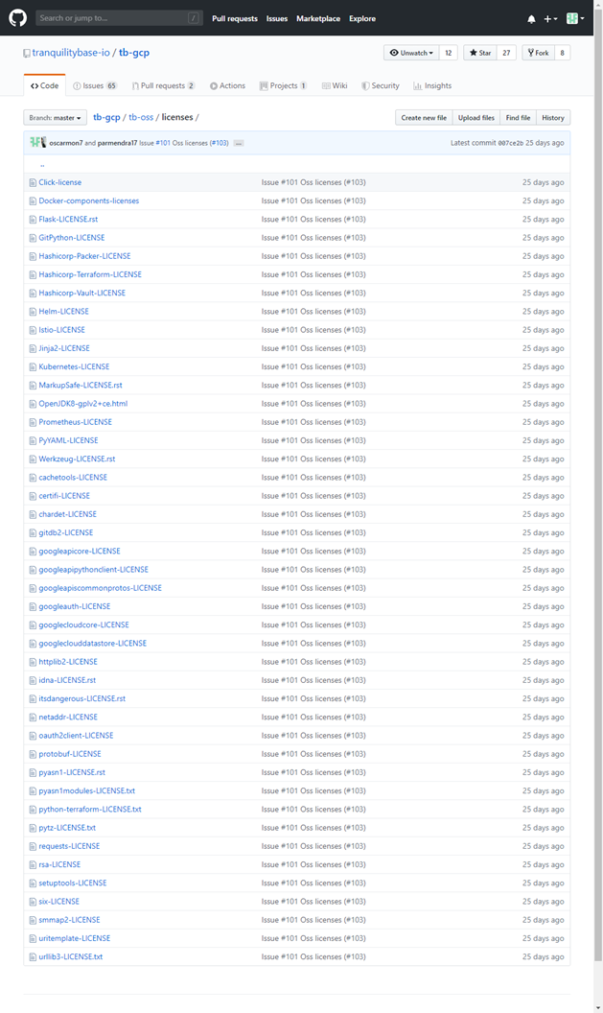
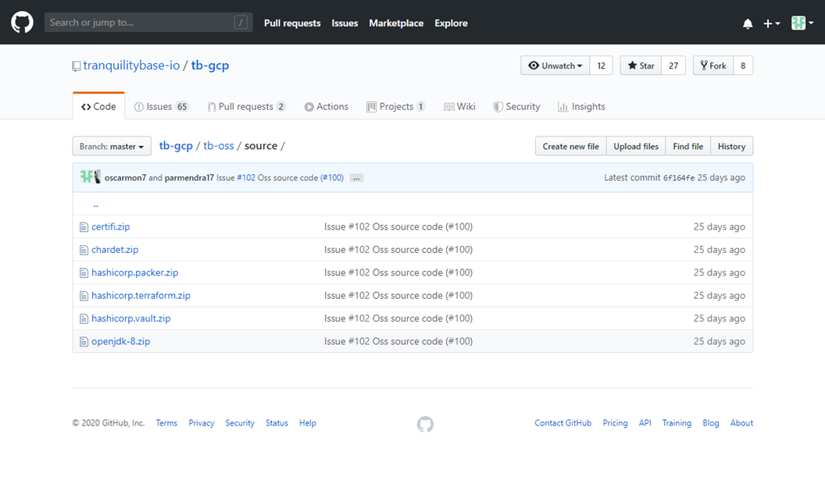
1) Please insert a screenshot in the cell to the right capturing a view of the directory path on the image where users can see the license text of all open source components present on the image. (Click Insert -> Image) | TBC
2) Please insert a screenshot in the cell to the right demonstrating the directory path where you are mirroring the full source code of all libraries with source-mirroring obligations (e.g., CDDL, EPL, GPL, LGPL, MPL). You may omit mirroring libraries which are part of the standard base image, or which are fetchable using apt or yum. (Click Insert -> Image) | TBC

